Sheet1
Bug ID | Title | ReproducibleSteps | Expected Result | Actual Result | Severity | Priority | Affected Devices | Network | Impact | Attachments
1 | Search Field in 'Your Team' Section Not Cleared | 1. Open the 'Your Team' section. 2. Search for a team and select it. 3. App;ication will Navigate to another tab. 4. Check the search filed . | The search field should be cleared after navigating to another tab. | The search field is not cleared after selecting a team and navigating away. | Minor | Medium | iPhone 11, iPhone 13 | Wi-Fi, 4G | User experience is affected due to uncleaned search field after tab switch, which could cause confusion for users. | 
2 | Pop-up Covers Mobile Notch Data in 'Matches' Section | 1. Open the 'Matches' section. 2. Trigger a pop-up (e.g., by selecting a match). | The pop-up should be positioned so as not to cover the mobile notch area (clock and battery). | The pop-up covers the mobile notch, obstructing the clock and battery. | Major | High | iPhone 11, iPhone 12, iPhone 13 | Wi-Fi, 4G, 5G | This bug can impact user experience as it obstructs critical status indicators (clock and battery), potentially causing confusion or inconvenience. | 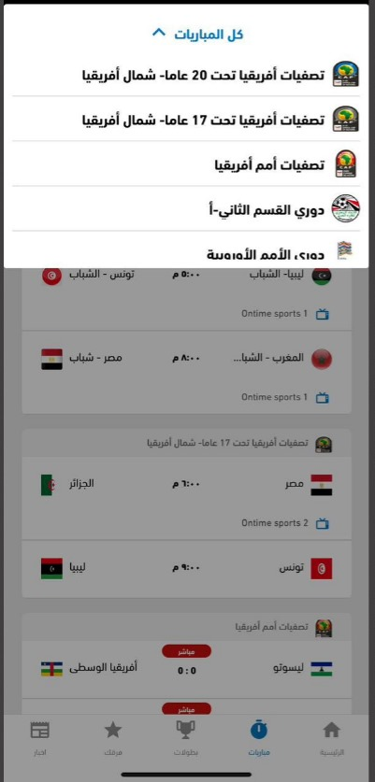
3 | Scrolling Issue in 'Teams' Section During Team Addition | 1. Go to the 'Teams' section. 2. Tap to add a team. 3. Open the keyboard. 4. Try to scroll up or down. | The user should be able to scroll up or down even when the keyboard is open. | Scrolling is not possible when the keyboard is open. | Major | High | iPhone 11, iPhone 12, iPhone 13 | Wi-Fi, 4G | Users are unable to interact with the screen properly when adding a team, affecting usability and potentially preventing users from completing team additions. | 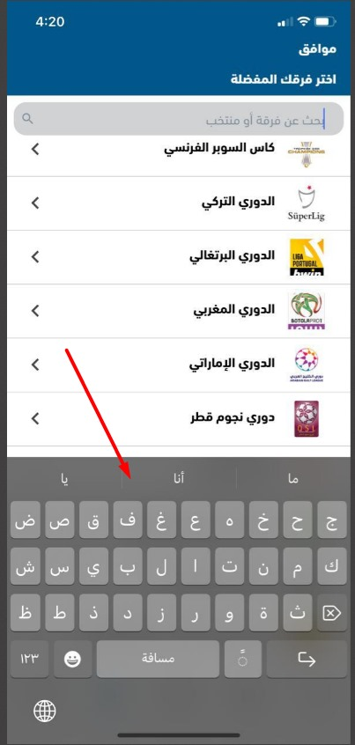
4 | Inconsistent Padding in 'News' Section | 1. Go to the 'News' section. 2. Compare the padding of different images. | All images should have consistent padding. | Some images have varying padding. | Minor | Low | iPhone 11, iPhone 13 | Wi-Fi, 4G | The inconsistency in padding affects the overall design and presentation, leading to a less polished user interface. | 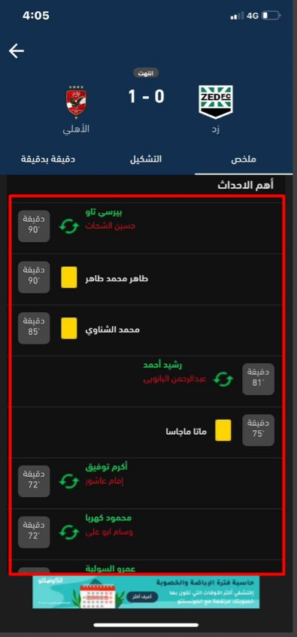 
5 | Calendar tabs hang during navigation | 1.Go to the "Matches" section. 2.Open the "All matches" view. 3.Switch between the calendar tabs for different dates. 4.Observe the app hanging or freezing during navigation. | The app should allow smooth navigation between different dates in the calendar tabs without freezing or hanging. | The app hangs or freezes when switching between different dates in the calendar tabs. | Major | High | iPhone 11, iPhone 13 | Wi-Fi, 4G | Performance degradation causes navigation delay, affecting user experience with calendar tabs. | 
6 | Dropdown menu text truncation | 1.Go to the "Matches" section. 2.Open the dropdown menu in the "All matches" section. 3.Notice that the last word of the 4.menu is truncated and not fully displayed | The entire text in the "All matches" dropdown menu should be fully displayed without truncation. | The last word of the menu is truncated and not fully displayed. | Minor | Low | iPhone 11, iPhone 13 | Wi-Fi, 4G | Inability to interact with the dropdown, leading to poor user interface experience. | 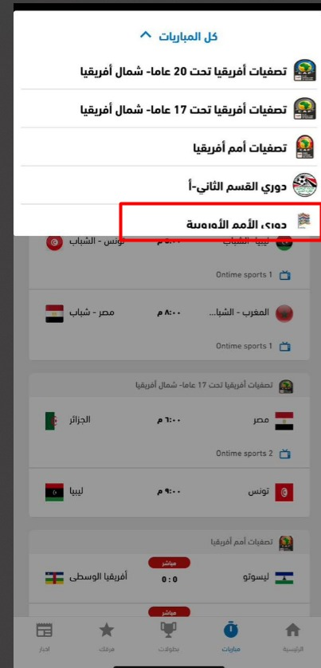
7 | No data for old matches | 1.Go to the "Matches" section. 2.Navigate to the "Old Matches" tab. 3.Observe that no historical match data is shown. | Historical match data should be displayed when navigating to the "Old Matches" tab. | No historical match data is displayed in the "Old Matches" tab. | Major | High | iPhone 11, iPhone 13 | Wi-Fi, 4G | Inability to view historical data for past matches, leading to a lack of useful content. | 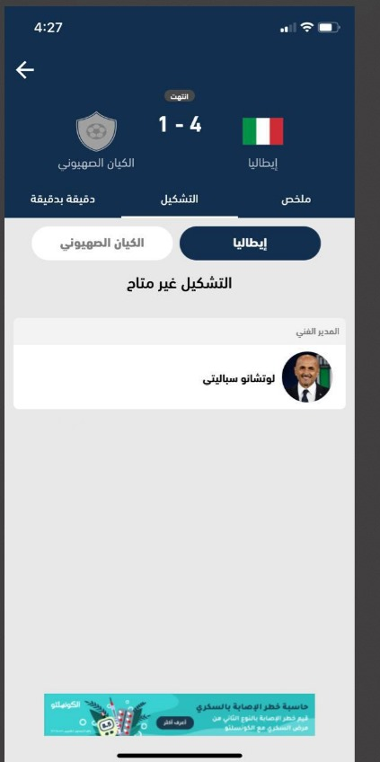
8 | Minute-by-minute page blank,and refreshing redirects to summary tab | 1.Open the "Matches" section. 2.Go to the "Minute by minute" page. 3.Observe that the page is 4.displayed as a blank white screen. 5.Refreshing the page will redirect you to the "Summary" tab. | The "Minute by minute" page should display the live updates properly without showing a blank white page. Refreshing should not redirect to the summary tab. | The page is displayed as a white screen, and refreshing automatically redirects to the summary tab. | Major | High | iPhone 11, iPhone 13 | Wi-Fi, 4G | Inability to follow live match updates, leading to a poor user experience during matches. | 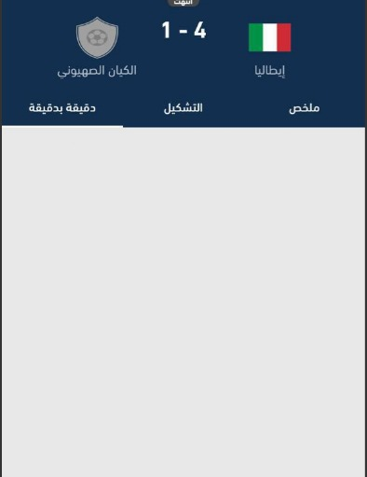
9 | Dark mode theme inconsistency | 1.Open any page in Dark mode. 2.Navigate between different sections (e.g., Teams and Matches). 3.Observe that the theme color is not consistent across all pages. | All pages within Dark mode should have a consistent theme color across different sections like Teams and Matches. | The theme color is inconsistent across different pages in Dark mode. | Minor | Low | iPhone 11, iPhone 13 | Wi-Fi, 4G | The visual appearance of dark mode is inconsistent across pages, affecting aesthetics. | 